Sheet1
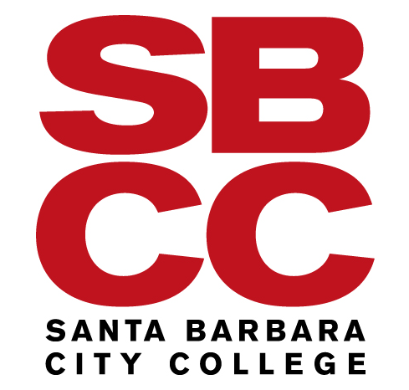
 |  | STUDENT MILEAGE CLAIM FORM
 |  | Mileage Claims are used when a student uses a personal vehicle for pre-approved District purposes. This may be in the form of local travel (within Santa Barbara County) or Travel & Conference (outside Santa Barbara County). All mileage must be pre-approved and the claim is recorded on this form and is attached to a Student Request for Reimbursement, which is submitted to Accounts Payable through the Fiscal Services Portal. Claims are reimbursed by Direct Deposit to the student's bank account, and by paper check when no direct deposit is established.

Student Full Name: |  |  |  |  |  |  | Student SBCC ID (K Number):
Affiliate Organization / Club / Department: |  |  |  |  |  |  | SBCC Advisor Name:
 | Step 1. Calculate your mileage from either your HOME or SBCC to/from your destination. We recommend using online maps, such as mapquest.com.
 | Step 2. Log each trip, recording travel date, purpose, travel to/from and mileage. Only complete yellow cells; this form will calculate your reimbursement (grey cell) based on:
 |  |  | - MILEAGE RATE provided for travel during Calendar Year 2023 |  |  | $0.65 | per mile
 |  |  | - MILEAGE RATE provided for travel during Calendar Year 2024 |  |  | $0.67 | per mile
TRIP DATE Format Month/Day/Year Ex. 12/24/2023 | PURPOSE OF TRIP |  |  |  | FROM LOCATION & CITY |  | DESTINATION LOCATION & CITY |  | MILES (ONE-WAY) | REIMBURSEMENT
 |  |  |  |  |  |  |  |  |  | $-
 |  |  |  |  |  |  |  |  |  | $-
 |  |  |  |  |  |  |  |  |  | $-
 |  |  |  |  |  |  |  |  |  | $-
 |  |  |  |  |  |  |  |  |  | $-
 |  |  |  |  |  |  |  |  |  | $-
 |  |  |  |  |  |  |  |  |  | $-
 |  |  |  |  |  |  |  |  |  | $-
 |  |  |  |  |  |  |  |  |  | $-
 |  |  |  |  |  |  |  |  |  | $-
TOTAL MILES |  |  |  |  |  |  |  |  | 0
Total Reimbursement |  |  |  |  |  |  |  |  |  | $-

 | Step 3. The Account is pre-filled with the Student Travel Account Code; enter the remaining full budget codes (Fund, Org, Program required; Activity and Location as assigned)
 | Step 4. Attach this form to a Student Request for Reimbursement and give to your advisor, who will submit through the Fiscal Services Portal for processing.
 | Step 5. Doublecheck your pipeline account to ensure you receive your reimbursement. SBCC's preferred form of payment is by Direct Deposit. Register today to receive your money faster and more secure. If you have not registered for Direct Deposit, a paper check will be mailed to your address on record in your pipeline acocunt.
FUND |  | ORGANIZATION |  | ACCOUNT | PROGRAM | ACTIVITY * |  | LOCATION * | Reference (optional) | AMOUNT
 |  |  |  | 462000
 |  |  |  | 462000
 |  |  |  | 462000
 |  |  |  | 462000
Total Reimbursement |  |  |  |  |  |  |  |  |  | $-

